Male Popgen
Parameter | Description | Value | Unit | Reference | Notes
Generation parameters Male in Popgen
Parameters not generated mentionend below
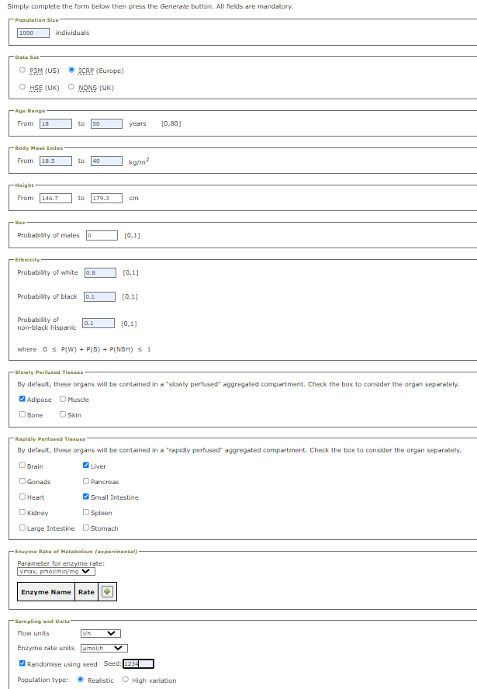

var_m_pop$P_V | Pulmonary ventilation | rnorm(N,mean=540,sd=3) | L/h | J. Valentin, "Basic anatomical and physiological data for use in radiological protection: reference values: ICRP Publication 89," Annals of the ICRP, vol. 32, no. 3, pp. 1-277, 2002/09/01/ 2002, doi: https://doi.org/10.1016/S0146-6453(03)00002-2. | 99,7 % of the population based on the ICRP mean of resting ventilation and a SD of 3
var_m_pop$V_B | Volume blood | (((13.1 * var_m_pop$Height + 18.05 * var_m_pop$BW - 480)/ 0.5732 )/ 1000) | L | P. S. Price et al., "Modeling interindividual variation in physiological factors used in PBPK models of humans," Critical Reviews in Toxicology, vol. 33, no. 5, pp. 469-503, 2003.
var_m_pop$V_A | Volume arterial blood | var_m_pop$V_B / 3 | L
var_m_pop$V_V | Volume venous blood | var_m_pop$V_B * (2/3) | L

